Additional Info
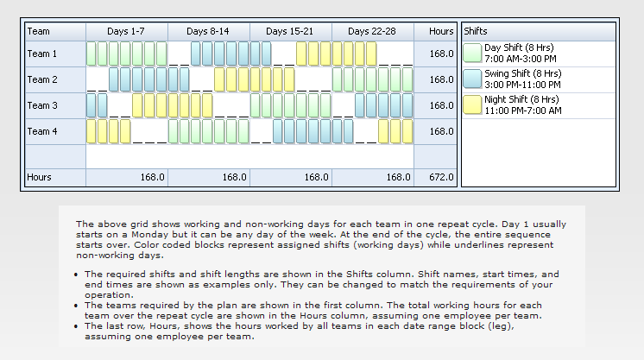
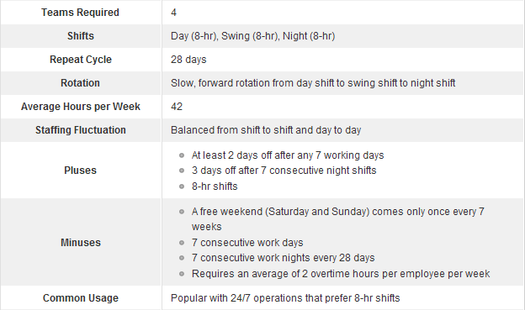
This is a simple employee scheduling template for the 8-Hour Rotating shift schedule. Work hours and labor costs are automatically computed based on the prescribed shift patterns, the number of employees on each team, and labor rates.
The 8-Hour Rotating schedule is a slow rotating schedule that uses 4 teams and three 8-hr shifts to provide 24/7 coverage. Each team rotates through the following sequence every 28 days: 7 day shifts, 2 days off, 7 swing shifts, 2 days off, 7 night shifts, 3 days off.

